Disclaimer


Calculation
© 2015–2018 by Israel Association of Valuators and Financial Actuaries® (IAVFA®) |  |  |  |  |  | WWW.IAVFA.COM | IAVFA1020@GMAIL.COM


 |  |  | Equity Valuation Using MV/Net Income Multiples

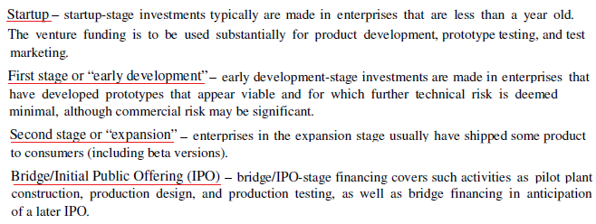
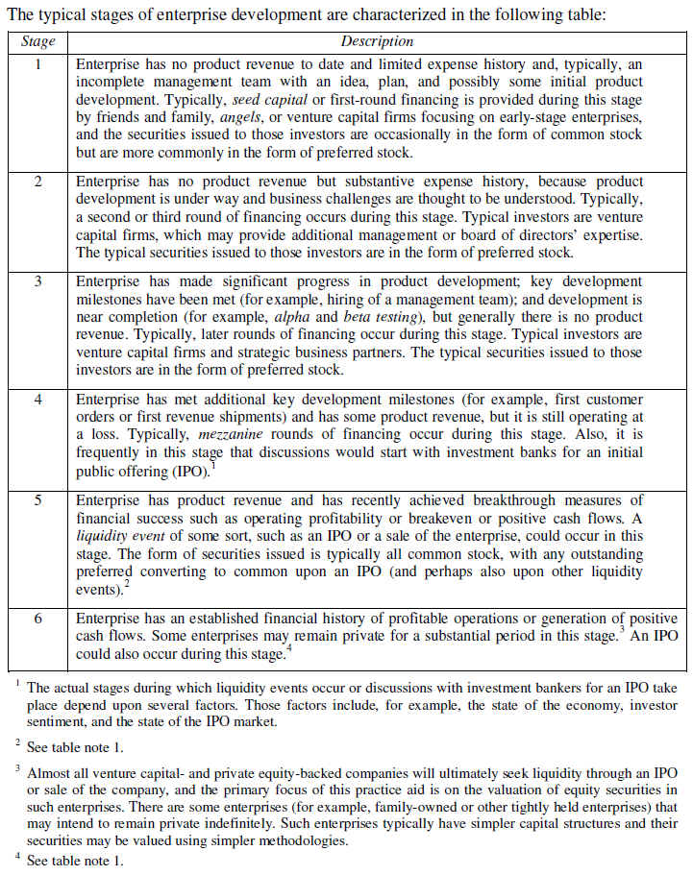
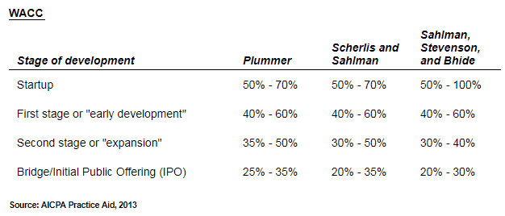

 | Industry:

 |  | TTM |  | 5-years Average
 | Multiples: | 17.4300 |  | 21.0168

 | Future Net Income ($M): |  |  | 3,930

 | Calculation Period: |  |  | 3 | (in years)

 | Discount Rate: |  |  | 70 | %

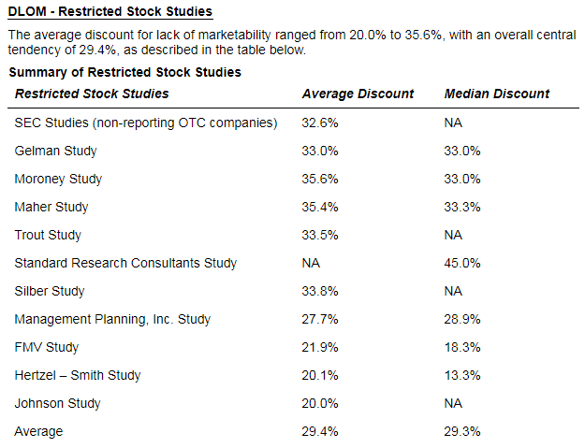
 | Current Net Income ($M): |  |  | 799.919

 | Equity Value ($M): | 13,942.581 | ($M) | 16,811.753 | ($M)

 | Equity Value ($M): | 13,942.581 | ($M) | 16,811.753 | ($M)

 | Discount for Lack of Marketability |  |  | 20 | %

 | Equity Value After Discount ($M): | 11,154.065 | ($M) | 13,449.403 | ($M)

 | Single Equity Value ($M): |  | 12,301.734 | ($M)

© 2015–2018 by Israel Association of Valuators and Financial Actuaries® (IAVFA®) |  |  |  |  |  | WWW.IAVFA.COM | IAVFA1020@GMAIL.COM

