Disclaimer


Calculation

© 2015–2018 by Israel Association of Valuators and Financial Actuaries® (IAVFA®) |  |  |  |  |  | WWW.IAVFA.COM | IAVFA1020@GMAIL.COM
 |  |  |  |  | michaL110983

 |  |  | Equity Valuation Using EV/Gross Income Multiples

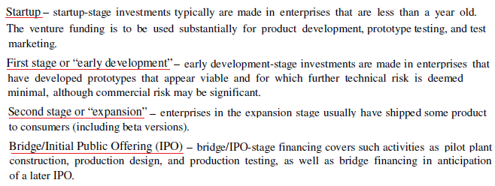
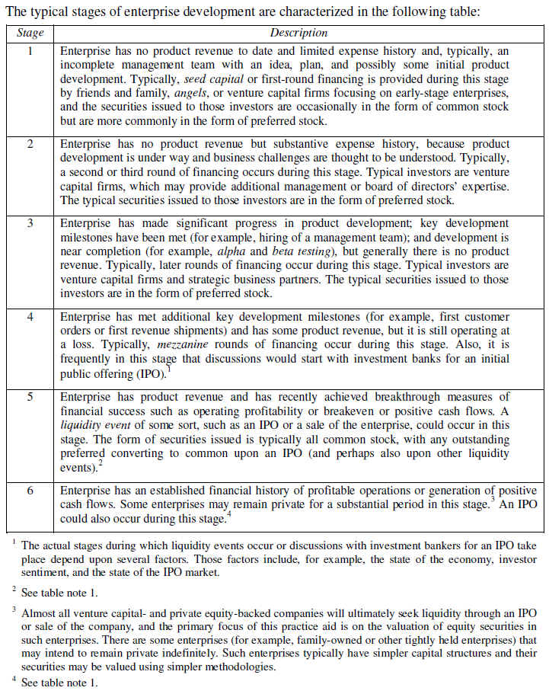
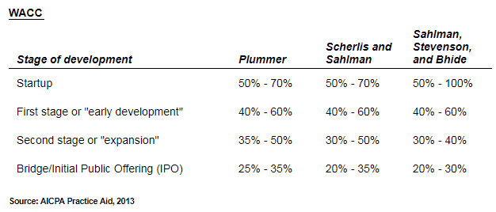

 | Industry:

 |  | TTM |  | 5-years Average
 | Multiples: | 4.8224 |  | 5.4992

 | Future Gross Income ($M): |  |  | 3,930

 | Calculation Period: |  |  | 3 | (in years)

 | Discount Rate: |  |  | 70 | %

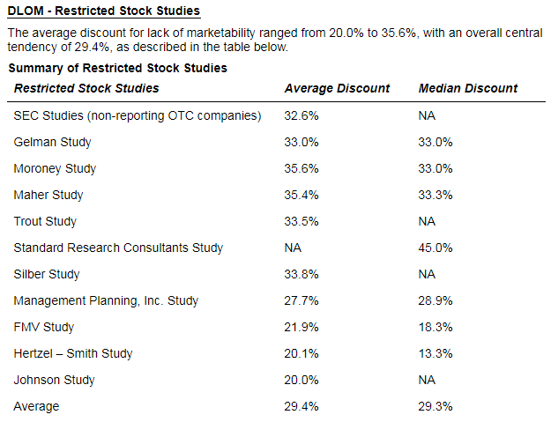
 | Current Gross Income ($M): |  |  | 799.919

 | Enterprise Value ($M): | 3,857.542 |  | 4,398.946

 | Minus Financial Debt: |  | ( | 857 | )

 | Cash & Equivalents: |  |  | 300

 | Equity Value ($M): | 3,300.542 | ($M) | 3,841.946 | ($M)

 | Discount for Lack of Marketability |  |  | 20 | %

 | Equity Value After Discount ($M): | 2,640.433 | ($M) | 3,073.557 | ($M)

 | Single Equity Value ($M): |  | 2,856.995 | ($M)

© 2015–2018 by Israel Association of Valuators and Financial Actuaries® (IAVFA®) |  |  |  |  |  | WWW.IAVFA.COM | IAVFA1020@GMAIL.COM

