Disclaimer


Calculation
© 2015–2018 by Israel Association of Valuators and Financial Actuaries® (IAVFA®) |  |  |  |  |  | WWW.IAVFA.COM | IAVFA1020@GMAIL.COM


 |  |  | Equity Valuation Using EV/EBIT Multiples

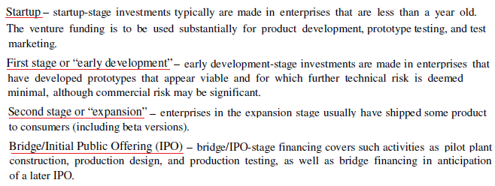
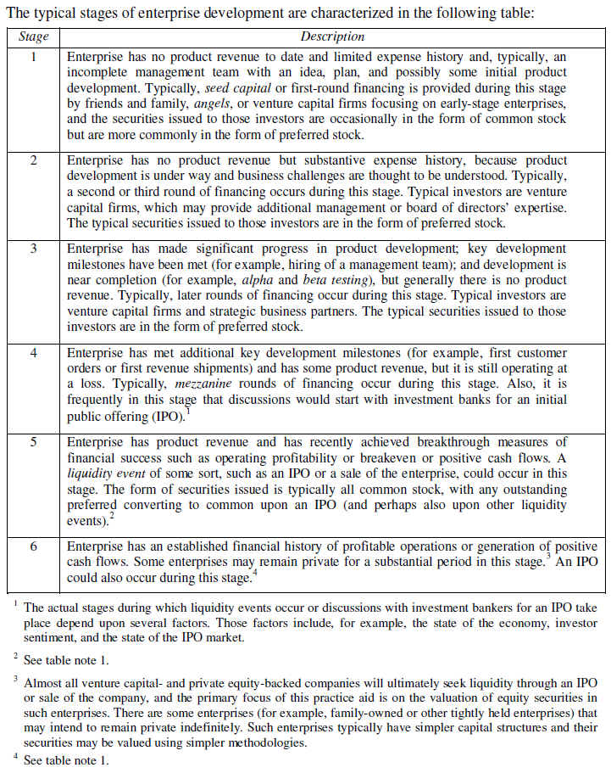
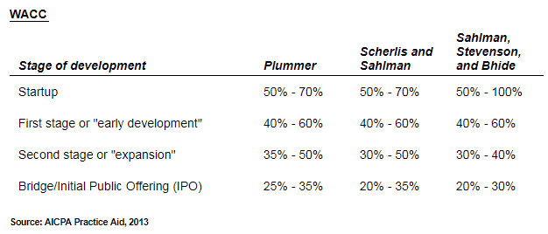

 | Industry:

 |  | TTM |  | 5-years Average
 | Multiples: | 15.6600 |  | 16.6103

 | Future EBIT ($M): |  |  | 3,930

 | Calculation Period: |  |  | 3 | (in years)

 | Discount Rate: |  |  | 70 | %

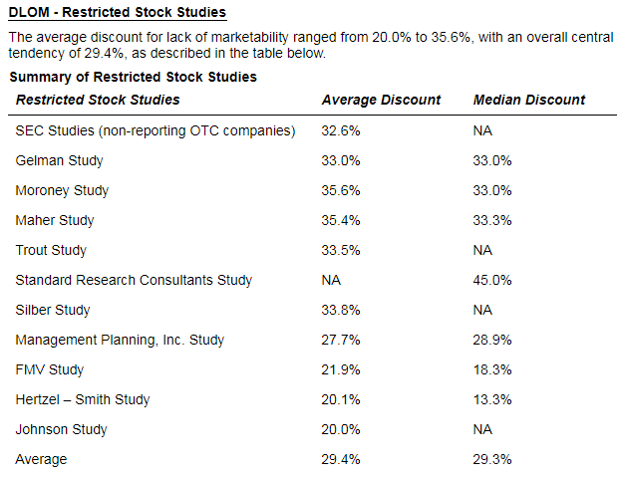
 | Current EBIT ($M): |  |  | 799.919

 | Enterprise Value ($M): | 12,526.725 |  | 13,286.868

 | Minus Financial Debt: |  | ( | 857 | )

 | Cash & Equivalents: |  |  | 300

 | Equity Value ($M): | 11,969.725 | ($M) | 12,729.868 | ($M)

 | Discount for Lack of Marketability |  |  | 20 | %

 | Equity Value After Discount ($M): | 9,575.780 | ($M) | 10,183.894 | ($M)

 | Single Equity Value ($M): |  | 9,879.837 | ($M)

© 2015–2018 by Israel Association of Valuators and Financial Actuaries® (IAVFA®) |  |  |  |  |  | WWW.IAVFA.COM | IAVFA1020@GMAIL.COM

